details
unknown_20
...
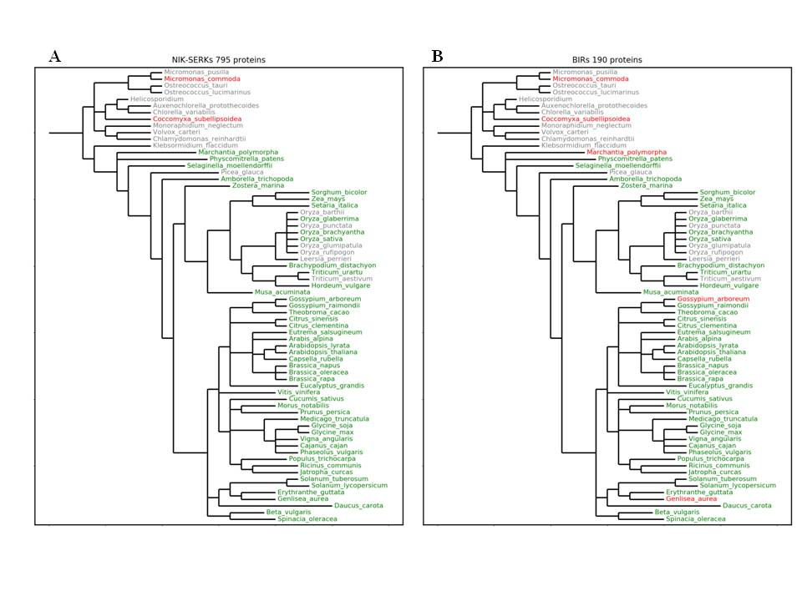
0
0
0
0
0
0
0
0
0
0
0
0
0
0
0
0
0
0
0
0
0
0
0
0
0
0
0
0
0
0
0
0
0
0
0
0
0
0
0
0
0
0
0
0
0
0
0
0
0
0
0
0

0

